Request
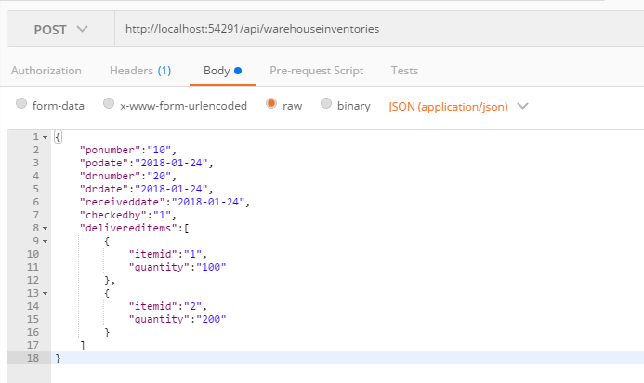
Parameter | Data Type | Length | Required | Unique | Remarks
WarehouseId | Int |  | Yes
PONumber | String |  | Yes
PODate | Date |  | Yes
DRNumber | String |  | Yes
DRDate | Date |  | Yes
ReceivedDate | Date |  | Yes
Remarks | String
CheckedBy | Int |  | Yes
DeliveredItems | Array |  | Yes
ItemId | Int |  | Yes
Quantity | Int |  | Yes
Remarks | String

Example

Response
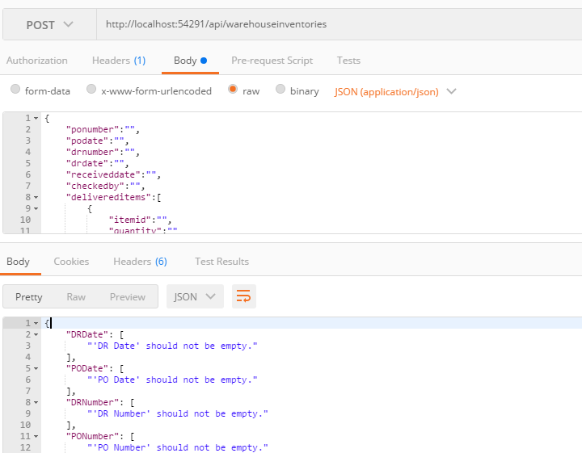
With error

